Remote Control
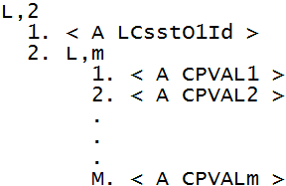
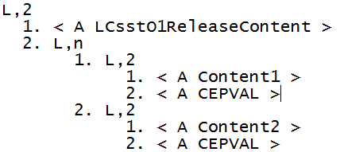
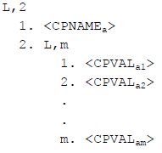
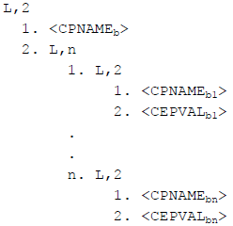
For Enhanced Remote Command, the CPVal has additional two more type which is -
Type A: Type B:
No. | RCMD (A) | CPNAME | CPNAME Format (A,U,I) | CPVAL Format
1 | START
2 | STOP
3 | HOLD
4 | RELEASE
5 | PP-SELECT | PPID | A | A
6 | MAP-SELECT | WFRID | A | A | Type A
7 | CARRIER-SELECT | CarrierID-SlotID|WfrID | A-A|A | A|A | Type B
8 | MAG-SELECT | MagID,MagList,MagType-cont1|cont2 | A,A,A-A|A | A,L-A,A|A | Combine

Sample for Type A:
RCMD: LCSSTO1RELEASE_LIST
CPNAME: LCsstO1Id
CPNAME Format: A
CPVAL Format: L-A
Sample for Type B:
RCMD: LCSSTO1RELEASE_SUBCP
CPNAME: LCsstO1ReleaseContent-Content1|Content2
CPNAME Format: A-A|A
CPVAL Format: A|A (*only give sub-CPVAL format)

